Solar Sizing Final
LPEA Solar Sizing Tool

Instructions: Fill in the highlighted yellow boxes with your information. The blue highlighted boxes are an estimate for the size, in kilowatts and in number of 400-watt panels, your system would need to be to produce 100% of your annual electricity usage.
1) Follow the instructions (1a) to get your historic electricity consumption from SmartHub.
1a: Link for instructions on how to get historic usage
2) The azimuth is the direction the majority of your panels will face. You can estimate this using a compass or compass app on a phone.
3) The tilt is the angle your panels will be set at. Use the Roof Pitch Angles picture below to estimate the slope of your roof and your panels' tilt.
4) Decide if you want to include a derate factor (A derate factor represents the reduction in the rated power output of a photovoltaic system due to real-world operating conditions). It will likely be a more realistic prediction of your system's performance.
5) View the blue boxes to see the estimated size your PV system would need to be, in kilowatts and in number of panels (assuming 400-watt panels), to generate 100% or 150% of your annual electricity consumption.

Inputs | Customer Input | Units | Estimated System Size
1) Annual energy usage (historic usage) | 5000 | kWh | PV System Size (100%) | 3.3 kW

2) Azimuth (direction panels will face) | Southeast (135°) | Direction | # of Panels (100%) | 8 Panels*
3) Tilt (angle of your roof or pole mount) | 14.0 | Degrees
4) Do you want to include a Derate Factor of 1.06? | Yes | none | *assuming 400 watt panels
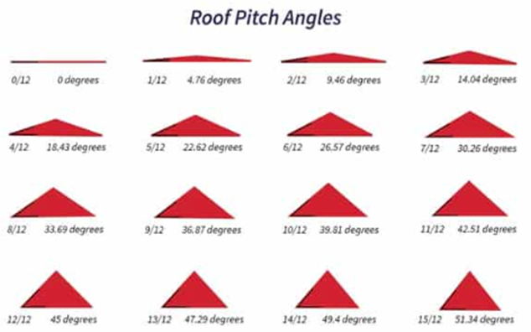

Disclaimer Statement: The information contained herein is provided as a public service with the understanding that the La Plata Electric Association makes no warranties either expressed or implied, concerning the accuracy, completeness, reliability, or suitability of the information. Nor does the La Plata Electric Association warrant that the use of this information is free of any claims of copyright infringement.

